Columns used in PDF Document
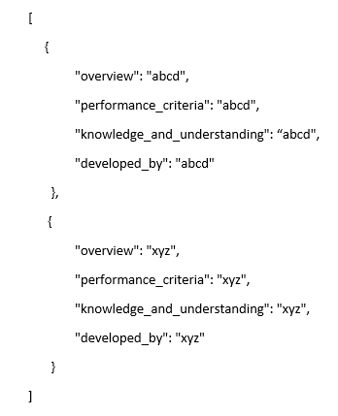
Field Name in JSON file | SharePoint Data Type |  | Maximum Length | Required ? | Comments
URN | Single line of text | string | 255 characters | N | Unique NOS ID
Title | Single line of text | string | 255 characters | N
Overview | Multiple lines of text | HTML | 1,073,741,823 characters | N | Strip double quote. Check carriage return / newline characters. Split on OL?
Performance_criteria | Multiple lines of text | HTML | 1,073,741,823 characters | N | Strip double quote. Check carriage return / newline characters. Split on OL?
Knowledge_and_understanding | Multiple lines of text | HTML | 1,073,741,823 characters | N | Strip double quote. Check carriage return / newline characters. Split on OL?
Scope_range | Multiple lines of text | HTML | 1,073,741,823 characters | N | Strip double quote. Check carriage return / newline characters. Split on OL?
Scope_range_related_to_performance_criteria | Multiple lines of text | HTML | 1,073,741,823 characters | N | Strip double quote. Check carriage return / newline characters. Split on OL?
Scope_range_related_to_knowledge_and_understanding | Multiple lines of text | HTML | 1,073,741,823 characters | N | Strip double quote. Check carriage return / newline characters. Split on OL?
Values | Multiple lines of text | HTML | 1,073,741,823 characters | N | Strip double quote. Check carriage return / newline characters. Split on OL?
Behaviours | Multiple lines of text | HTML | 1,073,741,823 characters | N | Strip double quote. Check carriage return / newline characters. Split on OL?
Skills | Multiple lines of text | HTML | 1,073,741,823 characters | N | Strip double quote. Check carriage return / newline characters. Split on OL?
Glossary | Multiple lines of text | HTML | 1,073,741,823 characters | N | Strip double quote. Check carriage return / newline characters. Split on OL?
Links_to_other_NOS | Multiple lines of text | HTML | 1,073,741,823 characters | N | Strip double quote. Check carriage return / newline characters. Split on OL?
External_Links | Multiple lines of text | HTML | 1,073,741,823 characters | N | Strip double quote. Check carriage return / newline characters. Split on OL?
Developed_by | Lookup | string | 255 characters | N | All the values are currrently stored in a SharePoint list and users are given a drop down option to pick from. It is not a User Name, looks like company names. E.g., Asset Skills, Cognet etc., No GDPR implications.
Version_number | Number | integer |  | N
Date_approved | Date and Time | string | N/A | N | Format as dd mm ccyy. Time not required
Indicative_review_date | Date and Time | string | N/A | N | Format as dd mm ccyy. Time not required
Validity | Choice |  | 255 characters | Y | single: Current/Legacy
Status | Choice |  | 255 characters | Y | single: Original/Tailored
Originating_organisation | Single line of text | string | 255 characters | N
Original_URN | Single line of text | string | 255 characters | N
Relevant_occupations | Lookup |  | 255 characters | N | ; separator, stripped into a JSON array.
Suite | Lookup |  | 255 characters | N | ; separator, stripped into a JSON array.
Keywords | Single line of text |  | 255 characters | N | ; separator, stripped into a JSON array.
SOC_Code | Single line of text | string | 255 characters | N
NOSCategory | Choice | string | 255 characters | Y | single: Core/Generic/Job-specific

Sample JSON format :

